Front

 |  |  |  |  |  | SUBMITTAL DATA
 |  |  |  |  |  | F SERIES AIR HANDLER

Job: |  |  |  | Engineer:
Location: |  |  |  | Architect:
Schedule No.: |  |  |  | Date:
System Designation: |  |  |  | For:

FEATURES
Available from factory as upflow or upflow/horizontal. Field installed horizontal drain pan kit also available.
Coils are air pressure tested at 500psi, leak tested with helium, sealed with rubber plugs, and then charged with dry air.
A1 model Suitable for use with R-22 and R-410A.
A2L model Suitable for use with R-32 and R-454B.
A2L model include factory installed Refrigerant Detections System (RDS).
Only four (4) screws to remove blower panel for easier access.
Available in copper or aluminum construction.
Dynamically balanced blowers for quiet, vibration-free operation.
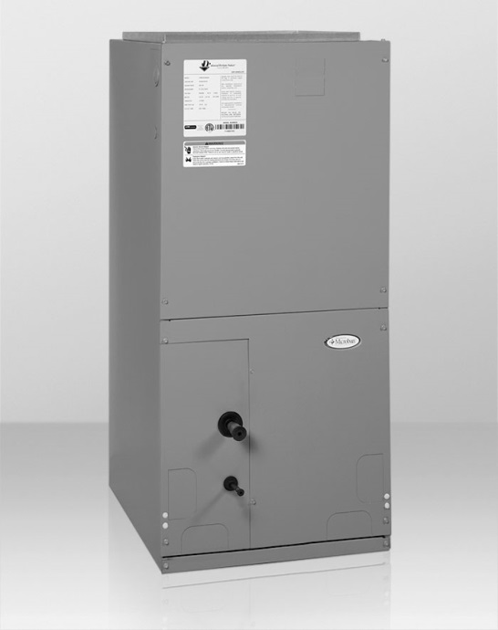

5-year limited warranty (Terms & Conditions Apply).
Product Warranty

Downflow kit available for field installation.
Piston or HP-A/C TXV available factory installed. Screw-on TXVs available as kits for field installation .
Optional Accessories

 |  | Unit Size
 |  | FCME22118S004R | FCME22C30B152R | FEME31B18S003R | FEMUU1160B201A
Factory Installed Heat (kW) |  | none | 15kW | none | 20kW
Refrigerant |  | R-454B | R-454B | R-32 | R-410A
Factory Installed metering device |  | Piston | Bleed HP-A/C TXV | Non-bleed HP-A/C TXV | Piston
Blower Data: | Motor Type | 3-speed PSC motor | 3-speed PSC motor | 5-speed high eff. ECM motor | 5-speed high eff. ECM motor
 | Motor H.P. | 1/5 | 1/3 | 1/3 | 1.00
 | F.L.A. | 2 | 1.9 | 3.9 | 4.6
Nominal CFM |  | 600 | 1000 | 600 | 2000
Max Unit Weight (lbs) |  | 80 | 105 | 80 | 155
Available Voltages |  | 120 V, 60 Hz, 1 Ph | 208/240 V, 60 Hz, 1 Ph | 120 V, 60 Hz, 1 Ph | 208/240 V, 60 Hz, 1 Ph
Maximum Elec. Heat available (kW) |  | none | 15kW | none | 20kW
Transformer Size and Type |  | 40 VA, Class 2 | 40 VA, Class 2 | 40 VA, Class 2 | 40 VA, Class 2
Refrigerant Conn. (IDS) Suction |  | 3/4 | 7/8 | 3/4 | 7/8
Refrigerant Conn. (IDS) Liquid |  | 3/8 | 3/8 | 3/8 | 3/8
Pallet Quantity (min order per model) |  | 6 | 4 | 6 | 2
NOTES:
Cooling capacities subject to outdoor unit matchup. See http://www.adpnow.com/extratings/ for individual capacities by OEM
Cooling and Heating capacity data is rated at the following conditions:
Cooling: 80 FDB / 67 FWB Indoor, 95 FDB Outdoor
Heating: 70 FDB / 47 FWB Indoor, 43 FDB Outdoor

 | A1 Refrigerants Product Nomenclature |  |  | A2L Refrigerants Product Nomenclature
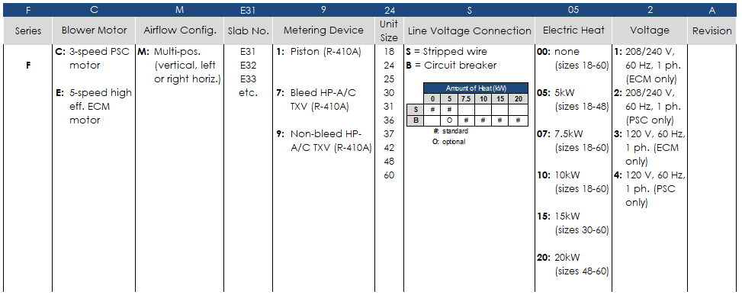
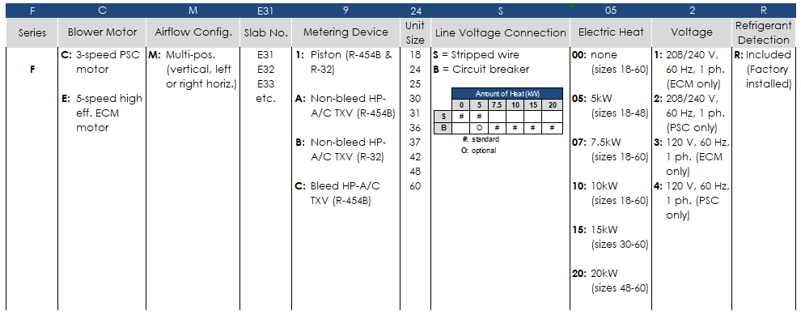

Product improvement is a continuous process at Advanced Distributor Products. Therefore, product specifications are subject to change without notice and without obligation on our part. Please contact your ADP representative or distributor to verify details.
© 2025 by Advanced Distributor Products. All rights reserved.

2140 Lake Park Blvd., Richardson, TX 75080
www.adpnow.com

